18-5 Pledge Card sample
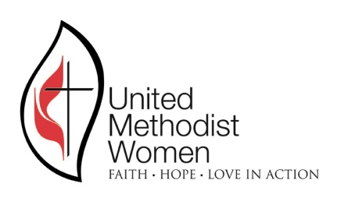
Local Unit Name
District
Conference | Alabama West Florida
PLEDGE TO MISSIONS
MEMBER’S NAME
The below amount only includes Pledge to Mission; no special funds, restricted funds like Call to Prayer, UMCOR, Dumas Wesley or the AWF conference Love Offering are a part of this Pledge to Missions. Pledge to Mission only includes, the unrestricted Pledge, Mission Cards, Gifts in Memory, World Thanks Offering and Special Mission Recognition pin. Your pledge total has no set or specified amount. The pledge is entirely up to you. However, please realize that our mission of helping women, children and youth around the world is dependent upon these donations. Your pledge will be used to pay your district's annual pledge as well as the Alabama West Florida Conference United Methodist Women's annual pledge.
The time period is January through December
For the Year

PLEDGED FOR THE LAST GIVING YEAR
PAID TO DATE (October through today)
BALANCE (if negative you have paid more than pledged) | $-

MY PLEDGE TO MISSIONS FOR THE YEAR STATED ABOVE IS:

I understand that I can make the above pledge anytime between January and December of the above year. The above does not include any special UMW projects such as the Clothes Closet Program, Dumas Wesley, or Love Offering that I voluntarily make in addition to my pledge. I also understand that 60% of the above will go to the global support of UMW around the world, and the remaining 40% will be used by our local unit as voted on by all members but in support of our overall mission of women, children and youth. This UMW Unit has pledged a total amount of $_____________, and this amount I am pledging will be used to meet that pledge.

Signed by:______________________________________ Dated ___________
Email address

Mailing address

Phone #

