26-3 Acceptance Letter
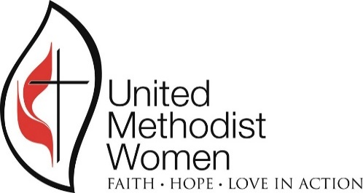
DISTRICT
 | Alabama West Florida Conference

Date

Dear ___________________

The Report of the _____________ District United Methodist Women, Committee on Nominations, for the year beginning January _______ is complete. A copy of that report, which will be presented at the ________, 20__ District Fall Event is enclosed. Please double check to see that your information is correct and notify us of any errors.

We are grateful for your willingness to serve as _________________ for a _______-Year Term beginning January 1, _____________. Please be assured that we will not elect you to that office and then abandon you. We will continue to hold you in our prayers, support you at the meetings and will be ready to help you in any manner.

An acceptance form is enclosed that we wish you to complete and mail back to me. This acceptance form is your way of acknowledging the duties and responsibilities that you will have if elected. If you have any questions concerning this, please feel free to call me or our district president. The form also contains information that will be published in our district newsletter prior to the Fall elections. Please return the form with a picture of yourself. The picture can be send in a digital form to my email if you wish.

At the _________ District Fall Event, you will be introduced as the Nominee for the office of _____________________. We will ask you to stand or otherwise let your presence be known to help members identify you and the office of ____________________________. If elected by the body that day, you will be inducted during a ceremony that day.

If you have questions, please feel free to call me.

 | CHAIR, COMMITTEE ON NOMINATIONS

Enclosures:
Advance copy of the Report of the Committee on Nominations
Nominations Acceptance Form
Job Responsibilities

“…I now remind you to stir into flame the gift of God which is within you.” - II Timothy 1:6 NEB

Job Responsibilities -
 | District Office
(Taken from the Alabama West Florida Conference UMW Workbook)

26-17 Bank Ltr

 | ALABAMA WEST FLORIDA CONFERENCE
 | UNITED METHODIST WOMEN

DATE:

TO:

RE: | Authorizing Change of United Methodist Women's Officers on Bank Account

DATE CHANGE EFFECTIVE

 | The membership of the Alabama West Florida Conference United Methodist Women, for the District listed below elected new officers. With that being said, please remove the following officers from the signature cards for the accounts listed in our name (see list below). The old officers should still have access to signing checks and deposits until December 31, and the new officers listed will resume their duties on January 1st or the Date Change Effective listed above. The mailing address of all the accounts should also be changed to the incoming treasurer’s address listed below, effective also January 1.

 | Authorized for the District listed below which is a part of the Alabama West Florida Conference, Southeastern Jurisdiction and the National United Methodist Women.
 |  | District

 | Outgoing Officers Names and Addresses:
 |  | President
 |  | Treasurer

 | Incoming Officers Names and Addresses:
 |  | President
 |  | Treasurer

 | Federal Tax # 63-1108101

 | Names of Bank Account(s) held by the Alabama West Florida Conference United Methodist Women:
 |  | DISTRICT
 | Bank Account Name | ACCT # | Route #

 | Thank you for your cooperation in getting this done for our organization.

 | Respectfully,

 | Outgoing President

Alabama West Florida Conference United Methodist Women
Resolution by the Executive District Team

 | Dated:
District:
 | By official vote of the Alabama West Florida Conference United Methodist Women, the below named individual was elected as

 | Name of Officer:

 | Address:

 | Phone #

 | Email:

 | In accordance with the Alabama West Florida Conference Standing Rules, this officer has the authorization of this body to be a signature bearer of any of the organizations financial accounts.
 | This officer assumes these official duties as of:
 | January 1, |  |  | add year

 | District President,
 | Alabama West Florida Conference
 | District |  |  | add district name
 | United Methodist Women

