18-5 Pledge Card sample
PERSONAL PLEDGE TO MISSIONS | 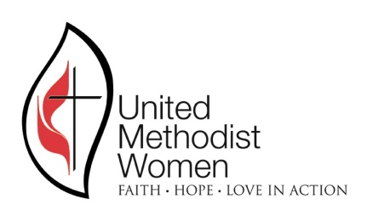
 | AWF-UMW –Local Unit Name
 | District

MEMBER’S NAME
The below only includes Pledged to Mission; no special funds are listed.
The time period is January through December
For the Year

PLEDGED FOR THE LAST GIVING YEAR
PAID TO DATE (October through today)
BALANCE (if negative you have paid more than pledged) | $-

MY PLEDGE TO MISSIONS FOR THE YEAR STATED ABOVE IS:
This is this UMW Local Unit total pledged amount to the District, and this amount I am pledging will be used to meet that pledge.
I understand that I can make the above pledge anytime between January and December of the above year. The above does not include any special UMW projects such as the Clothes Closet Program, Dumas Wesley, World Thanks Offering, Call to Prayer, Mission Cards or Gifts in Memory that I voluntarily make in addition to my pledge. I also understand that 60% of the above will go to the global support of UMW around the world, and the remaining 40% will be used by our local unit as voted on by all members but in support of our overall mission of women, children and youth; including $10 to our Conference Love Offering.

Signed by:______________________________________ Dated ___________
 | Email address

 | Mailing address

 | Phone #

