Sample Local Remit
UNITED METHODIST WOMEN |  |  |  |  |  | Scroll down for more information on how to do online Remit
THE LOCAL UNIT REMITTANCE FORM
Local Unit: | SOMEWHERE |  | District | HERE
Conference: | AL-West FL |  |  | DATE | 11/3/18
I | UNDESIGNATED GIFTS | Your change can change a life |  |  | Total
1. Pledge to Mission |  |  | Regular Pledge | $538.75 | $538.75
2. Special Mission Recognition (Pin) |  |  | If you want SMR pin, fill out below. Minimum Cost $40 (see bottom for type/price)
Recipient's Name |  | Sent to name & address |  | Value*
NONE |  | NO PIN JUST $ |  | $40.00 | $40.00 | If no recipient or less than $40, can be listed on-line as
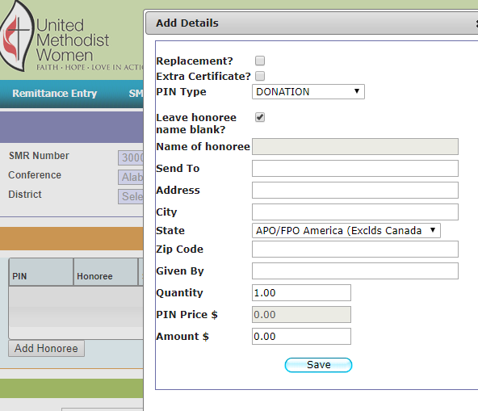
SHELIA GOODWIFE |  | 123 HERE AVE SOMEWHERE, AL 33333 |  | $40.00 | $40.00
 |  |  |  |  | $-
Total Special Mission Recognition Pin |  |  |  |  | $80.00
3. Gift to Mission |  | # | (cards - $5 each) list below | # cards
 | Baby |  | On Your Special Day |  | $-
 | Birthday | 2 | Peace |  | $10.00
 | Christmas |  | Thank you |  | $-
 | Congratulations | 2 | Thinking of You | 5 | $35.00
 | In Service of Christ |  | Total Cards | $45.00 | $-
4. Gift in Memory |  |  |  |  | $25.00
5. World Thank Offering |  |  |  |  | $100.00
TOTAL UNDESIGNATED GIFTS (to be counted on 5-Star) |  |  |  |  | $788.75
II | DESIGNATED GIFTS |  |  | AMOUNT
 | 6. A Call to Prayer and Self-Denial |  |  |  | $50.00
 | 7. Supplementary Gifts:
3001146 | A Brighter Future for Children and Youth
3001148 | Assembly Offering
3001149 | Scarritt-Bennett Center
U000002 | UMCOR (name Project/Adv #) |  |  | $500.00
 |  |  | Total from additional page - - ATTACHED
SUBTOTAL SUPPLEMENTARY GIFTS: |  |  |  |  | $500.00
TOTAL DESIGNATED GIFTS (sent to National) |  |  |  |  | $550.00
TOTAL UNDESIGNATED & DESIGNATED GIFTS (sent to National) |  |  |  |  | $1,338.75
III | AWF UMW CONFERENCE GIVING: Formerly Conference Specials: will be broken out to Dumas Wesley, Mission u, A&MD, and Assembly Offering
AWFC UMW LOVE OFFERING $10 per member |  | 25 | # Members
56.25 | Dumas Wesley ($2.25 per) | 125.00 | A&MD ($5 per)
50.00 | Mission u ($2.00 per) | 18.75 | Assembly Offering ($.75)
or Total |  | TOTAL DESIGNATED GIFTS (stays in Conference: |  |  | $250.00
IV | TOTAL REMITTANCE Check #: | 9.99 |  | TOTAL: | $1,588.75
 | GRACE MERCI |  | District Use Remit # SMR #
Treasurer:
Phone: |  |  | Email:

 | Section I - requirements for 5-star |  | Return form with check to District Treasurer
$40 basic pin, $60 with sapphire, $100 with pearl, $200 with emerald, $500 with ruby, $1,000 with diamond, $2,000 with two diamonds.

ALL DISTRICT TREASURERS MUST REMIT ALL ABOVE MONIES RECEIVED FROM LOCAL UNITS, except Love Offerings
https://www.unitedmethodistwomen.org/
 | Bottom of the page

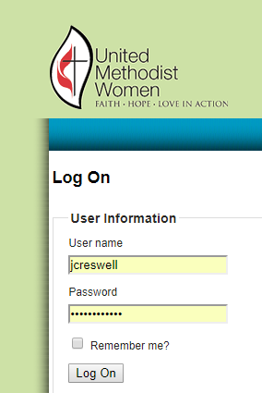

 |  |  | User ID
 |  |  | (first initial & last name)
 |  |  | National will send you

 |  |  | Passwords
 |  |  | National will send you

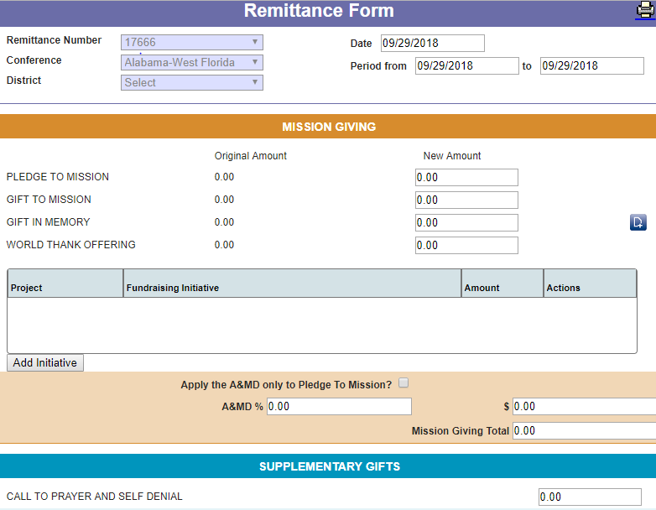

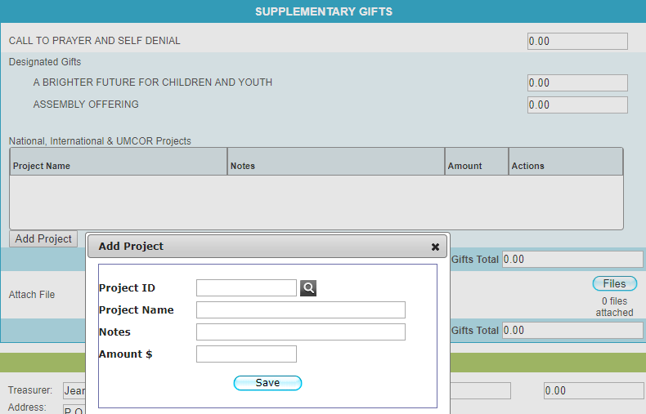

Make sure you print yourself a copy after you save, note the Remit # & use on your paperwork. SUBMIT after it all looks good. Send check for the entire amount along with any Love Offering & SMR order to Conference Treasurer (at least once a month if any money received).
search Projects - notice um also includes within a name not just starting
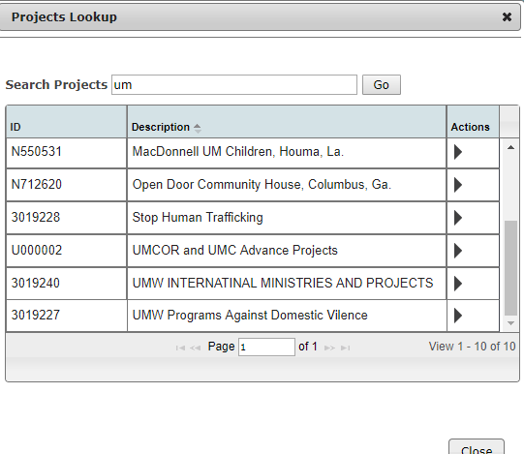

SPECIAL MISSION RECOGNITION (pins) SMR

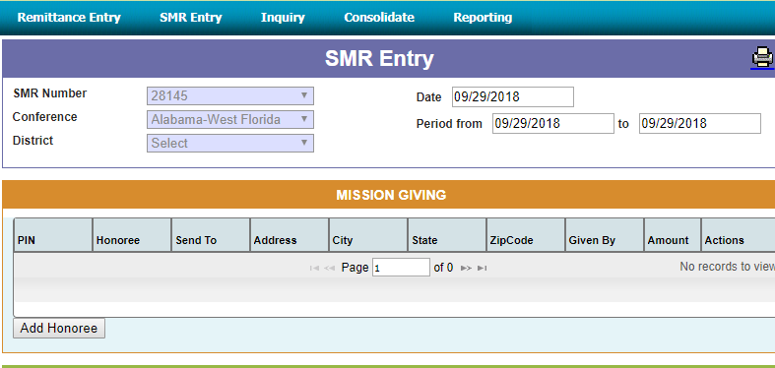

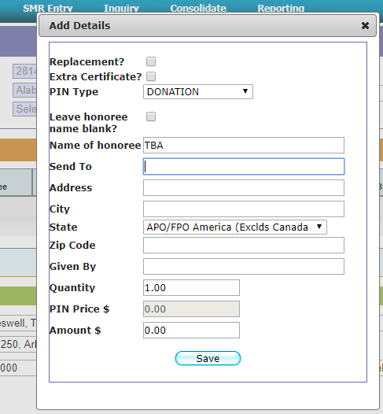

 |  |  |  | PIN TYPE
 |  |  |  | PLAIN - GOLD
 |  |  |  | SAPPHIRE
 |  |  |  | PEARL
 |  |  |  | EMERALD
 |  |  |  | RUBY
 |  |  |  | DIAMOND
 |  |  |  | DOUBLE DIAMOND
 |  |  |  | DONATION

 |  |  |  | Amount will auto populate

 |  |  |  | Check to make sure address is correct, especially zipcode. Wrong addresses will have pin returned & take weeks to correct

 |  |  |  | Make sure spelling of Honoree is correct or if you want left blank CHECK

INQUIRY - sort on columns (date is the best)
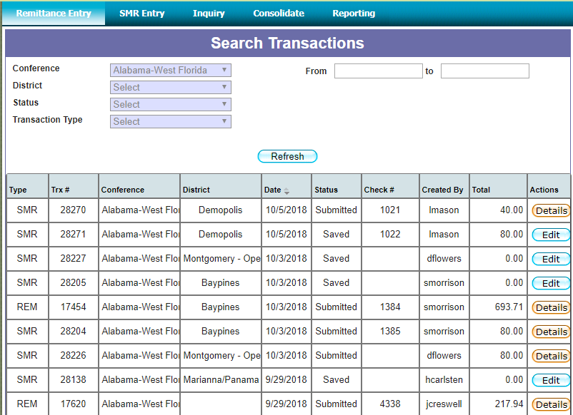

STATUS
Submitted = ready for Conference Treasurer to Process
Saved - you've saved but Conf Treas can't process until you submit
Consolidated = Conf Treas has processed & sent to Nat'l

You can edit Saved, but only view Submitted

26-17 Bank Ltr

 | ALABAMA WEST FLORIDA CONFERENCE
 | UNITED METHODIST WOMEN

DATE:

TO:

RE: | Authorizing Change of United Methodist Women's Officers on Bank Account

DATE CHANGE EFFECTIVE

 | The membership of the Alabama West Florida Conference United Methodist Women, for the District listed below elected new officers. With that being said, please remove the following officers from the signature cards for the accounts listed in our name (see list below). The old officers should still have access to signing checks and deposits until December 31, and the new officers listed will resume their duties on January 1st or the Date Change Effective listed above. The mailing address of all the accounts should also be changed to the incoming treasurer’s address listed below, effective also January 1.

 | Authorized for the District listed below which is a part of the Alabama West Florida Conference, Southeastern Jurisdiction and the National United Methodist Women.
 |  | District

 | Outgoing Officers Names and Addresses:
 |  | President
 |  | Treasurer

 | Incoming Officers Names and Addresses:
 |  | President
 |  | Treasurer

 | Federal Tax # 63-1108101

 | Names of Bank Account(s) held by the Alabama West Florida Conference United Methodist Women:
 |  | DISTRICT
 | Bank Account Name | ACCT # | Route #

 | Thank you for your cooperation in getting this done for our organization.

 | Respectfully,

 | Outgoing President

Alabama West Florida Conference United Methodist Women
Resolution by the Executive District Team

 | Dated:
District:
 | By official vote of the Alabama West Florida Conference United Methodist Women, the below named individual was elected as

 | Name of Officer:

 | Address:

 | Phone #

 | Email:

 | In accordance with the Alabama West Florida Conference Standing Rules, this officer has the authorization of this body to be a signature bearer of any of the organizations financial accounts.
 | This officer assumes these official duties as of:
 | January 1, |  |  | add year

 | District President,
 | Alabama West Florida Conference
 | District |  |  | add district name
 | United Methodist Women

